Monthly Budget
MONTHLY BUDGET PLANNING


MONTHLY IN FLOWS |  | MONTHLY OUT FLOWS
MONTHLY INCOME | ₹0.00 | HOUSE RENT & MAINTAINANCE | ₹0.00 |  |  | HOME LOAN EMI | ₹0.00
ADDITIONAL INCOME | ₹0.00 | PROPERTY TAX | ₹0.00 |  |  | CAR LOAN EMI | ₹0.00
RENTAL INCOME | ₹0.00 | UTILITIES | ₹0.00 |  |  | PERSONAL LOAN EMI | ₹0.00
SPOUSE'S INCOME | ₹0.00 | GROCERIES | ₹0.00 |  |  | OTHER EMIS | ₹0.00
TOTAL MONTHLY INFLOW | ₹0.00 | TRANSPORTATION | ₹0.00 |  |  | TOTAL EMIs | ₹0.00 | #DIV/0!
 |  | MEDICAL EXPENSES | ₹0.00 |  |  | MUTUAL FUNDS | ₹0.00
 |  | CHILDREN SCHOOL FEES | ₹0.00 |  |  | STOCKS | ₹0.00
 |  | INSURANCE PREMIUMS | ₹0.00 |  |  | FIXED DEPOSITS
 |  | TOTAL ESSENTIAL EXPENSES | ₹0.00 | #DIV/0! |  | OTHERS
 |  | MAID | ₹0.00 |  |  | TOTAL INVESTMENTS | ₹0.00 | #DIV/0!
 |  | SHOPPING | ₹0.00
 |  | TRAVEL | ₹0.00
 |  | DINE & ENTERTAINMENT | ₹0.00 |  |  | LEFTOUT FOR THE MONTH | ₹0.00 | #DIV/0!
 |  | TOTAL LIFESTYLE EXPENSES | ₹0.00 | #DIV/0! |  | TOTAL OUT FLOWS | ₹0.00

 |  | NAME | VALUE | PERCENTAGE | THE CURRENT STATUS
 |  | ESSENTIAL EXPENSES | ₹0.00 | #DIV/0! | #DIV/0!
 |  | LIFE STYLE EXPENSES | ₹0.00 | #DIV/0! | #DIV/0!
 |  | EMIs | ₹0.00 | #DIV/0! | #DIV/0!
 |  | INVESTMENTS | ₹0.00 | #DIV/0! | #DIV/0!
 |  | LEFTOUT | ₹0.00 | #DIV/0! | #DIV/0!

Retirement Cal
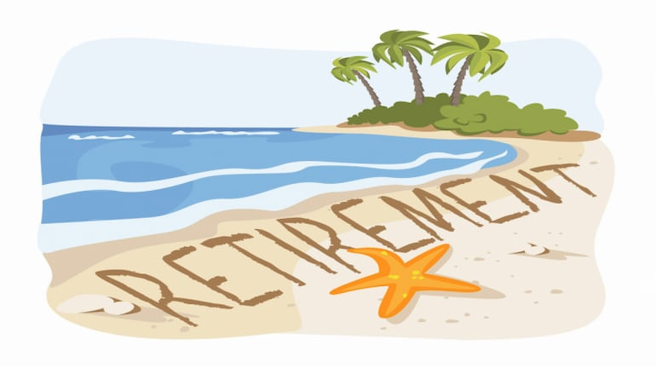

 |  |  | THIS PRODUCT BELONGS TO ..

 |  |  |  | Post Retirement Cash Outflows

Change in Monthly Expences
 | ₹0.00
Present Age |  |  |  | Age | Corpus | Yearly Expense | Corpus Post Expense | Return on Corpus | End Corpus
Expected Retirement Age |  |  |  | 1 | N A | N A | N A | N A | N A
Total Life Expectency |  |  |  | N A | N A | N A | N A | N A | N A
Present Expenses |  |  |  | N A | N A | N A | N A | N A | N A
Expected Pre Retirement Inflation |  |  |  | N A | N A | N A | N A | N A | N A
No Of Years to Retirement | 0 |  |  | N A | N A | N A | N A | N A | N A
At your Retirement, Your Expenses Would be | ₹0.00 |  |  | N A | N A | N A | N A | N A | N A
 |  |  |  | N A | N A | N A | N A | N A | N A
Monthly Expense @ Retirement | ₹0.00 |  |  | N A | N A | N A | N A | N A | N A
No Of Months Required | 0 |  |  | N A | N A | N A | N A | N A | N A
Post Retirement Expected Return |  |  |  | N A | N A | N A | N A | N A | N A
Post Retirement Expected Inflation |  |  |  | N A | N A | N A | N A | N A | N A
Post Retirement Inflation Adjusted Return | 0.00% | #NUM! |  | N A | N A | N A | N A | N A | N A
Corpus Required @ Retirement | #NUM! |  |  | N A | N A | N A | N A | N A | N A
 |  |  |  | N A | N A | N A | N A | N A | N A
 |  |  |  | N A | N A | N A | N A | N A | N A
 |  |  |  | N A | N A | N A | N A | N A | N A
 |  |  |  | N A | N A | N A | N A | N A | N A
 |  |  |  | N A | N A | N A | N A | N A | N A
 |  |  |  | N A | N A | N A | N A | N A | N A
 |  |  |  | N A | N A | N A | N A | N A | N A
 |  |  |  | N A | N A | N A | N A | N A | N A
 |  |  |  | N A | N A | N A | N A | N A | N A
 |  |  |  | N A | N A | N A | N A | N A | N A
 |  |  |  | N A | N A | N A | N A | N A | N A
 |  |  |  | N A | N A | N A | N A | N A | N A
 |  |  |  | N A | N A | N A | N A | N A | N A
 |  |  |  | N A | N A | N A | N A | N A | N A
 |  |  |  | N A | N A | N A | N A | N A | N A
 |  |  |  | N A | N A | N A | N A | N A | N A
 |  |  |  | N A | N A | N A | N A | N A | N A
 |  |  |  | N A | N A | N A | N A | N A | N A
 |  |  |  | N A | N A | N A | N A | N A | N A
 |  |  |  | N A | N A | N A | N A | N A | N A
 |  |  |  | N A | N A | N A | N A | N A | N A
 |  |  |  | N A | N A | N A | N A | N A | N A
 |  |  |  | N A | N A | N A | N A | N A | N A
 |  |  |  | N A | N A | N A | N A | N A | N A
 |  |  |  | N A | N A | N A | N A | N A | N A
 |  |  |  | N A | N A | N A | N A | N A | N A
 |  |  |  | N A | N A | N A | N A | N A | N A
 |  |  |  | N A | N A | N A | N A | N A | N A
 |  |  |  | N A | N A | N A | N A | N A | N A
 |  |  |  | N A | N A | N A | N A | N A | N A
 |  |  |  | N A | N A | N A | N A | N A | N A
 |  |  |  | N A | N A | N A | N A | N A | N A
 |  |  |  | N A | N A | N A | N A | N A | N A
 |  |  |  | N A | N A | N A | N A | N A | N A
 |  |  |  | N A | N A | N A | N A | N A | N A
 |  |  |  | N A | N A | N A | N A | N A | N A
 |  |  |  | N A | N A | N A | N A | N A | N A
 |  |  |  | N A | N A | N A | N A | N A | N A
 |  |  |  | N A | N A | N A | N A | N A | N A
 |  |  |  | N A | N A | N A | N A | N A | N A
 |  |  |  | N A | N A | N A | N A | N A | N A
 |  |  |  | N A | N A | N A | N A | N A | N A

